How to use this Risk assessment
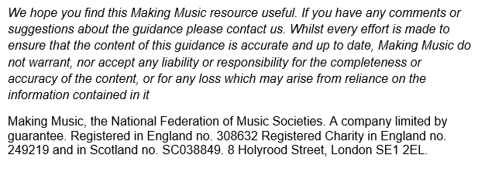
 | COVID secure rehearsals guidance

 | Conditional formatting

 | Download the blank version

Contact
E: info@makingmusic.org.uk
T: 020 7939 6030 (Mon-Fri 10am to 5pm)

